Problem Statement
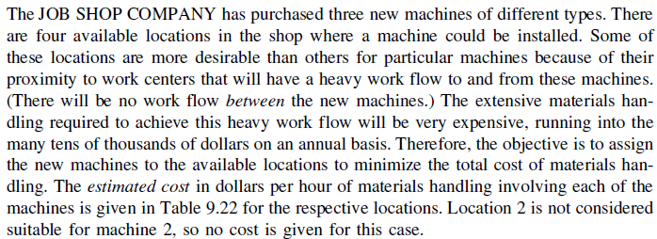

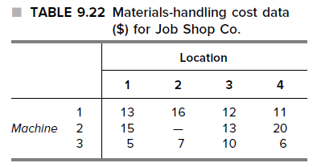

Solution(with Dummy)
Unit Cost |  | Locations
 |  | 1 | 2 | 3 | 4
Machines | 1 | 13 | 16 | 12 | 11
 | 2 | 15 | 10000 | 13 | 20
 | 3 | 5 | 7 | 10 | 6
 | 4(Dummy) | 0 | 0 | 0 | 0

Assignment (Decisions) |  | Locations
 |  | 1 | 2 | 3 | 4 | Total Assigned |  | Max possible Assignment
Machines | 1 | 0 | 0 | 0 | 1 | 1 | = | 1
 | 2 | 0 | 0 | 1 | 0 | 1 | = | 1
 | 3 | 1 | 0 | 0 | 0 | 1 | = | 1
 | 4(Dummy) | 0 | 1 | 0 | 0 | 1 | = | 1
 | Total Received | 1 | 1 | 1 | 1
 |  | = | = | = | = |  |  | Total Cost
Max possible Assignment |  | 1 | 1 | 1 | 1 |  |  | 29

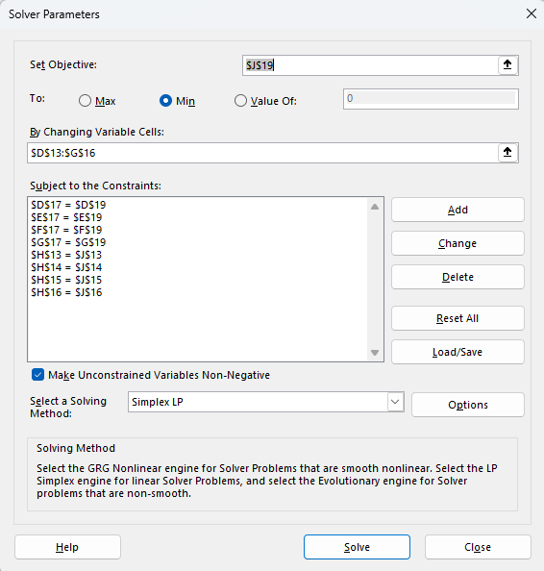
Cell Formulas |  |  |  |  | Solver Parameters
H13 | =SUM(D13:G13)
H14 | =SUM(D14:G14)
H15 | =SUM(D15:G15)
H16 | =SUM(D16:G16)
D17 | =SUM(D13:D16)
E17 | =SUM(E13:E16)
F17 | =SUM(F13:F16)
G17 | =SUM(G13:G16)
J19 | =SUMPRODUCT(D6:G9,D13:G16)

Solution (No Dummy)
Unit Cost |  | Locations
 |  | 1 | 2 | 3 | 4
Machines | 1 | 13 | 16 | 12 | 11
 | 2 | 15 | 10000 | 13 | 20
 | 3 | 5 | 7 | 10 | 6

Assignment (Decisions) |  | Locations
 |  | 1 | 2 | 3 | 4 | Total Assigned |  | Max possible Assignment
Machines | 1 | 0 | 0 | 0 | 1 | 1 | = | 1
 | 2 | 0 | 0 | 1 | 0 | 1 | = | 1
 | 3 | 1 | 0 | 0 | 0 | 1 | = | 1
 | Total Received | 1 | 0 | 1 | 1
 |  | <= | <= | <= | <= |  |  | Total Cost
Max possible Assignment |  | 1 | 1 | 1 | 1 |  |  | 29

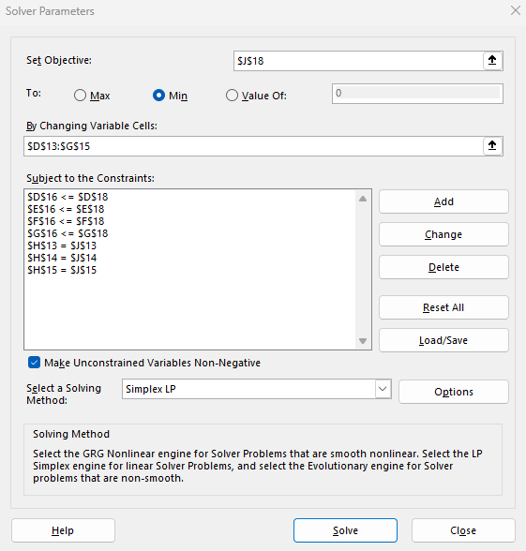
Cell Formulas |  |  |  |  | Solver Parameters
H13 | =SUM(D13:G13)
H14 | =SUM(D14:G14)
H15 | =SUM(D15:G15)
D16 | =SUM(D13:D15)
E16 | =SUM(E13:E15)
F16 | =SUM(F13:F15)
G16 | =SUM(G13:G15)
J18 | =SUMPRODUCT(D6:G8,D13:G16)

